Budget
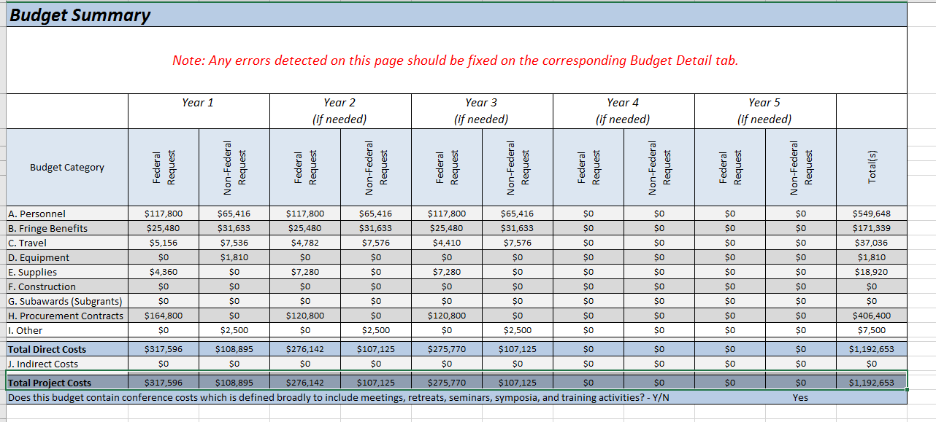
 | federal | YTD Expedintures | Remaining Balance
Personnel | 549648 | $213,690.00 | $335,958.00
Fringe Benefits | 171339 | $145,882.24 | $25,456.76
Travel | 37036 | $5,521.26 | $31,514.74
Equipment | 1810 |  | $1,810.00
Supplies | 18920 | $413.47 | $18,506.53
Construction | 0 |  | $-
subawards | 0 |  | $-
Contracts | 406400 | $250.00 | $406,150.00
other | 7500 |  | $7,500.00
Indirect |  | $26,058.00 | $(26,058.00)

